opt 2
PIONEER SERVICES

M/S Bank Al Falah Limited
 |  |  |  |  |  | Date | 20 May 2025
 |  |  |  |  |  | Invoice # | 009
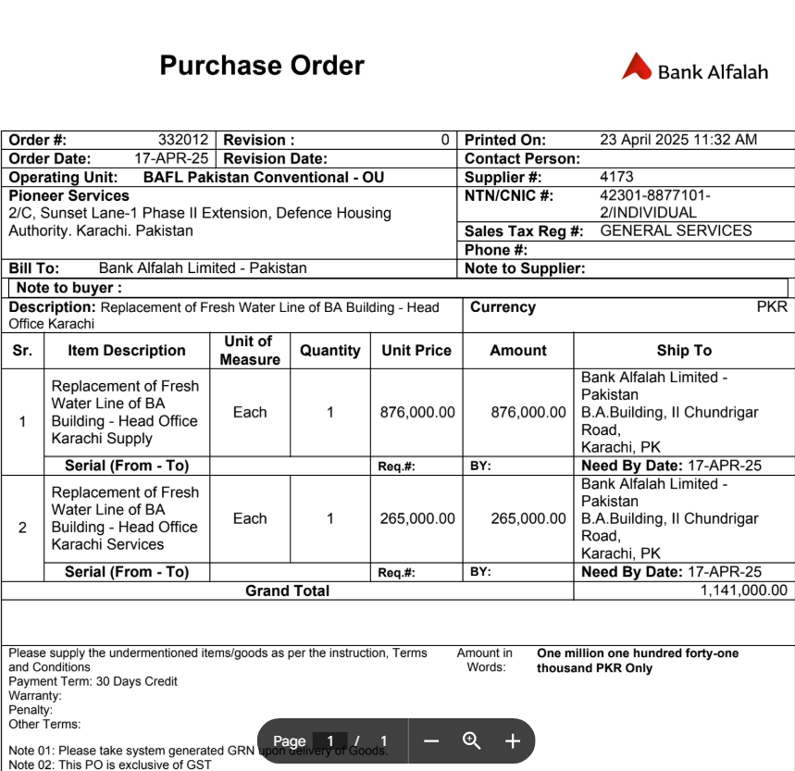
Attn: Mr. Shujaat Ali

Invoice
Leaking Overhead water transfer pipe and fittings - Bank Al-Falah Head Office Karachi.

S. # | Description | Unit | Qty | Material Rate | Labour Rate | Material Amount | Labour Amount
1 | Removal and dismantle of existing water transfer GI Pipes and fittings. | Job | 1 |  | 50,000 | - | 50,000
2 | Providing and installation of PPRC Pipe 110 mm PN-20 (Dadex) with related fittings such as Elbow, tee, socket, adoptor, etc complete in all respect | Rft | 150 | 4,850 | 1,000 | 727,500 | 150,000
3 | Core Cuttings / Seal / water proofing on tank and other area. | Job | 1 | 25,000 | 15,000 | 25,000 | 15,000
4 | Supply & Installation of hangers & supports. | Job | 1 | 75,000 | 25,000 | 75,000 | 25,000
5 | Testing and commissioning of system | Job | 1 | - | 15,000 | - | 15,000
Total Amount Rs |  |  |  |  |  | 827,500 | 255,000
SST 15% on Labour |  |  |  |  |  | - | 38,250
Total after SST |  |  |  |  |  | 827,500 | 293,250
Grand Total Amount Rs |  |  |  |  |  |  | 1,120,750

For PIONEER SERVICES |  |  |  | Material |  |  | 827,500
 |  |  |  | Less 5.5% |  |  | 45,513
 |  |  |  |  |  |  | 781,988
 |  |  |  | Less5% GST on material |  |  | 35,063.56
 |  |  |  |  |  |  | 746,923.94

 |  |  |  | Labour |  |  | 293,250
 |  |  |  | Less 11% |  |  | 32,257.50
 |  |  |  |  |  |  | 260,993
 |  |  |  | Less 20% SST |  |  | 7,650.00
 |  |  |  |  |  |  | 253,342.50

 |  |  |  | CHQ Amount |  |  | 1,000,266

opt 1
PIONEER SERVICES

M/S Bank Al Falah Limited
 |  |  |  |  |  | Date | 19 Feb 2025
 |  |  |  |  |  | Quote # | 001

Attn: Mr. Shujaat Ali

Quotation
Leaking Overhead water transfer pipe and fittings - Bank Al-Falah Head Office Karachi.

OPTION 1: PPRC PIPE BRAND HAKAN GEORGE FISCHER UAE.

S. # | Description | Unit | Qty | Material Rate | Labour Rate | Material Amount | Labour Amount
1 | Removal and dismantle of existing water transfer GI Pipes and fittings. | Job | 1 |  | 50,000 | - | 50,000
2 | Providing and installation of PPRC Pipe 110 mm PN-20 with related fittings such as Elbow, tee, socket, adoptor, etc complete in all respect | Rft | 160 | 7,950 | 1,000 | 1,272,000 | 160,000
3 | Core Cuttings / Seal / water proofing on tank and other area. | Job | 1 | 25,000 | 15,000 | 25,000 | 15,000
4 | Supply & Installation of hangers & supports. | Job | 1 | 75,000 | 25,000 | 75,000 | 25,000
5 | Testing and commissioning of system | Job | 1 | - | 15,000 | - | 15,000
Total Amount Rs |  |  |  |  |  | 1,372,000 | 265,000
SST 15% on Labour |  |  |  |  |  | - | 39,750
Total after SST |  |  |  |  |  | 1,372,000 | 304,750
Grand Total Amount Rs |  |  |  |  |  |  | 1,676,750

For PIONEER SERVICES

